Sheet1
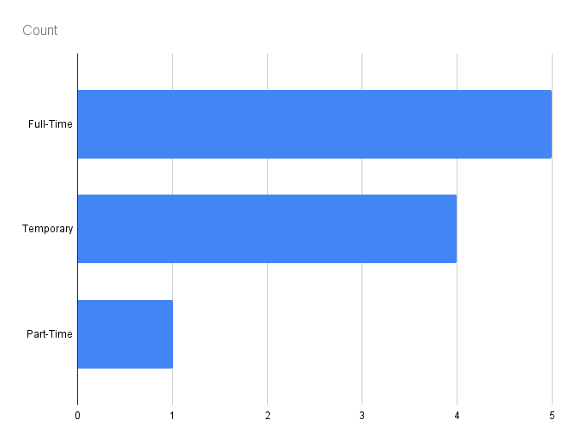
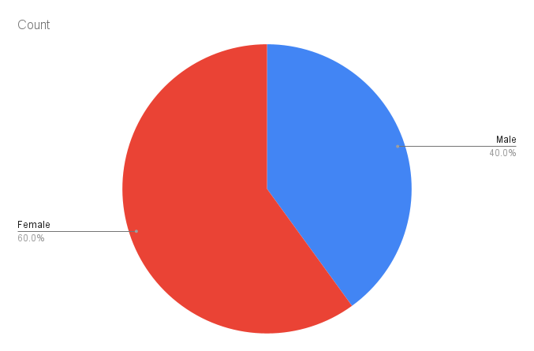
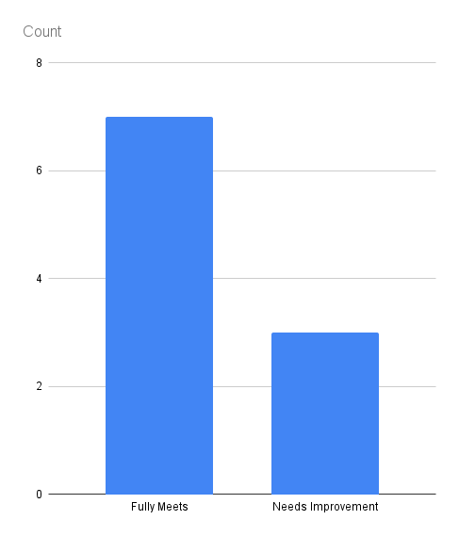
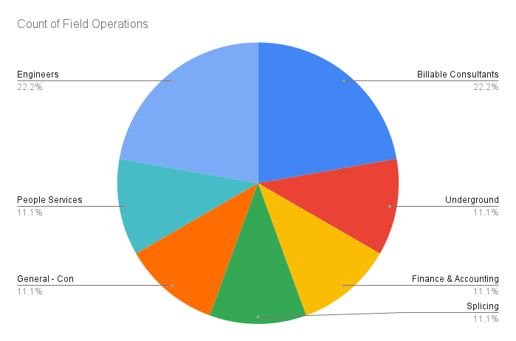
ï»¿EmpID | FirstName | LastName | StartDate | ExitDate | Supervisor | ADEmail | BusinessUnit | EmployeeStatus | PayZone | EmployeeClassificationType | Division | DOB | State | JobFunctionDescription | GenderCode | LocationCode | Performance Score | Current Employee Rating
3666 | Davin | Peters | 29-Apr-22 | 21-Jan-23 | Melissa Shaw | davin.peters@bilearner.com | TNS | Active | Zone A | Full-Time | Field Operations | 19-05-1956 | MA | Laborer | Male | 16052 | Fully Meets | 5
3667 | Leyla | Warren | 11-Dec-22 | 28-Apr-23 | Brooke Meyer | leyla.warren@bilearner.com | WBL | Active | Zone B | Temporary | Billable Consultants | 23-08-1998 | MA | Technician | Male | 18998 | Fully Meets | 5
3668 | Victoria | Allen | 6-Aug-23 | 6-Aug-23 | Christopher Clark | victoria.allen@bilearner.com | BPC | Active | Zone C | Full-Time | Underground | 24-05-1996 | MA | Operator | Male | 33735 | Needs Improvement | 3
3669 | Tyler | Hines | 28-Mar-20 | 12-Mar-23 | Joshua Francis | tyler.hines@bilearner.com | CCDR | Voluntarily Terminated | Zone A | Temporary | Finance & Accounting | 16-01-1967 | MA | Clerk | Male | 81928 | Fully Meets | 4
3670 | Sandra | Atkinson | 11-Aug-22 | 27-Mar-23 | Walter Shaw | sandra.atkinson@bilearner.com | SVG | Active | Zone A | Full-Time | Billable Consultants | 17-01-1969 | MA | Engineer | Female | 14006 | Needs Improvement | 3
3671 | Simone | Hayes | 26-Jan-23 | 19-Jun-23 | Alexander Roberts | simone.hayes@bilearner.com | EW | Voluntarily Terminated | Zone A | Temporary | Splicing | 29-12-1989 | MA | Splicer | Female | 45376 | Needs Improvement | 4
3672 | Rhett | Valenzuela | 14-Jan-19 |  | Aaron Holland | rhett.valenzuela@bilearner.com | MSC | Active | Zone A | Full-Time | General - Con | 24-02-1991 | MA | Foreman | Female | 44501 | Fully Meets | 3
3673 | Lane | Zuniga | 11-Jun-22 | 10-Jan-23 | Casey Morris | lane.zuniga@bilearner.com | TNS | Voluntarily Terminated | Zone B | Temporary | People Services | 19-02-1973 | MA | Manager | Female | 47767 | Fully Meets | 5
3674 | Isabelle | Shields | 25-Jun-20 | 2-Mar-22 | Sarah Williamson | isabelle.shields@bilearner.com | BPC | Voluntarily Terminated | Zone C | Part-Time | Engineers | 1996-01-05 | MA | Engineer | Female | 39141 | Fully Meets | 4
3675 | Mario | Mays | 8-Jun-20 | 29-Dec-22 | Melissa Torres | mario.mays@bilearner.com | CCDR | Active | Zone C | Full-Time | Engineers | 28-08-1952 | MA | Technician | Female | 70090 | Fully Meets | 3

